UMW-QQ001
 | TEST CASE for UMOVE Quick Quotation |  |  |  |  | By Sir LJ |  |  |  |  | Regression Test
TEST CASE ID | TEST CASE | PRE-CONDITIONS | TEST STEPS | TEST DATA | EXPECTED RESULT | ACTUAL RESULT | STATUS | LBTEK | Remarks | Test Date | Status | Remarks | Test Date
UMW-QQ001 | Check if Quick Quotation tab from homepage is functional | must be at homepage ofc | 1.from homepage 2.click quick quotation |  | Directed to Quick Quotation site |  | PASSED |  |  | 2023-12-28
UMW-QQ004 | Check on quick quotation Type of goods (Drag down functionality) | 1.Site able to load in the browser 2.Homepage>quick quotation>exclusive/shared | 1.go to homepage 2.click quick quotation 3.Choose between vehicle) |  | User should be able to select type of goods | The dropdown choices are working, but categories are not yet fully set-up: E.g., for dry goods, how about food (e.g., dried fish)? | PASSED |  | Dropdown values should be erasable/a "blank" value can be selected. | 2023-12-28
UMW-QQ006 | Check on quick quotation subcategory (Drag down functionality) | 1.Site able to load in the browser 2.Homepage>quick quotation>exclusive/shared | 1.go to homepage 2.click quick quotation 3.Choose between equipment 4.choose a category 5.choose subcategory |  | after choosing parameters for type of goods and category, user should be able to choose on subcategory | Same comment as for ID 005. | PASSED |  | Dropdown values should be erasable/a "blank" value can be selected. | 2023-12-28
UMW-QQ007 | Check on quick quotation Packaging type (Drag down functionality) | 1.Site able to load in the browser 2.Homepage>quick quotation>exclusive/shared | 1.go to homepage 2.click quick quotation 3.Choose between equipment 4.choose a category 5.choose subcategory 6.choose packaging type |  | after choosing options for the 3 categories, user should be able to choose a packaging type |  | PASSED |  | Dropdown values should be erasable/a "blank" value can be selected. | 2023-12-28
UMW-QQ008 | Check on quick quotation if Type of goods is not chosen | 1.Site able to load in the browser 2.Homepage>quick quotation>exclusive/shared | 1.go to homepage 2.click quick quotation 3.Fill up neccesarry information without type of goods |  | Not able to choose between category,subcategory and unable to proceed to quote | Comment: Zip code should be auto-suggested/filtered based on the selected dropdowns for Region, District, City/Municipality, and Barangay. | PASSED | For Retest |  | 2023-12-28 | PASSED |  | 2024-02-08
UMW-QQ009 | Check on quick quotation if category is not chosen | 1.Site able to load in the browser 2.Homepage>quick quotation>exclusive/shared | 1.go to homepage 2.click quick quotation 3.Fill up neccesarry information without category |  | Will not be able to proceed to quote and not able to choose on some options. | The details for "Pick Up Location" was recorded/submitted. | FAILED | Invalid | Dropdown values should be erasable/a "blank" value can be selected. | 2023-12-28 | FAILED | The expected result is working, 1. But the user shouldn't be able to provide the pick-up and delivery location if the category is missing in the first place. 2. For the error briefly popping on the top right portion of the screen, field with missing details should be speciffic (not "Warning, request failed with status code 400.") | 2024-02-20
UMW-QQ010 | Check on quick quotation if Subcategory is not chosen | 1.Site able to load in the browser 2.Homepage>quick quotation>exclusive/shared | 1.go to homepage 2.click quick quotation 3.Fill up neccesarry information without Subcategory |  | will not be able to proceed to quote and not able to choose on some options |  | FAILED | For Retest | Dropdown values should be erasable/a "blank" value can be selected. . no vehicle to select for quotation empty | 2024-01-09 | FAILED | Same remarks with Test Case ID UMW-QQ009. | 2024-02-20
UMW-QQ011 | Check on quick quotation if Packaging type is not chosen | 1.Site able to load in the browser 2.Homepage>quick quotation>exclusive/shared | 1.go to homepage 2.click quick quotation 3.Fill up neccesarry information without Packaging type |  | Will not be able to quote by not choosing any packaging type |  | FAILED | For Retest | Dropdown values should be erasable/a "blank" value can be selected. no vehicle to select for quotation empty | 2024-01-09 | FAILED | Same remarks with Test Case ID UMW-QQ009. | 2024-02-20
UMW-QQ012 | Check on quick quotation on Quantity | 1.Site able to load in the browser 2.Homepage>quick quotation>exclusive/shared | 1.go to homepage 2.click quick quotation 3.fill up neccesarry informations 4.add a quantity |  | Able to choose quantity | The details for "Pick Up Location" was recorded/submitted. | FAILED | For Retest | no vehicle to select for quotation empty | 2024-01-09 | FAILED | Same remarks with Test Case ID UMW-QQ009. | 2024-02-20
UMW-QQ017 | Check on quick quotation on with valid address for both delivery and pickup | 1.Site able to load in the browser 2.Homepage>quick quotation>exclusive/shared | 1.go to homepage 2.click quick quotation 3.fill up neccesarry informations | Valid Address | Should be able to proceed with proper address | 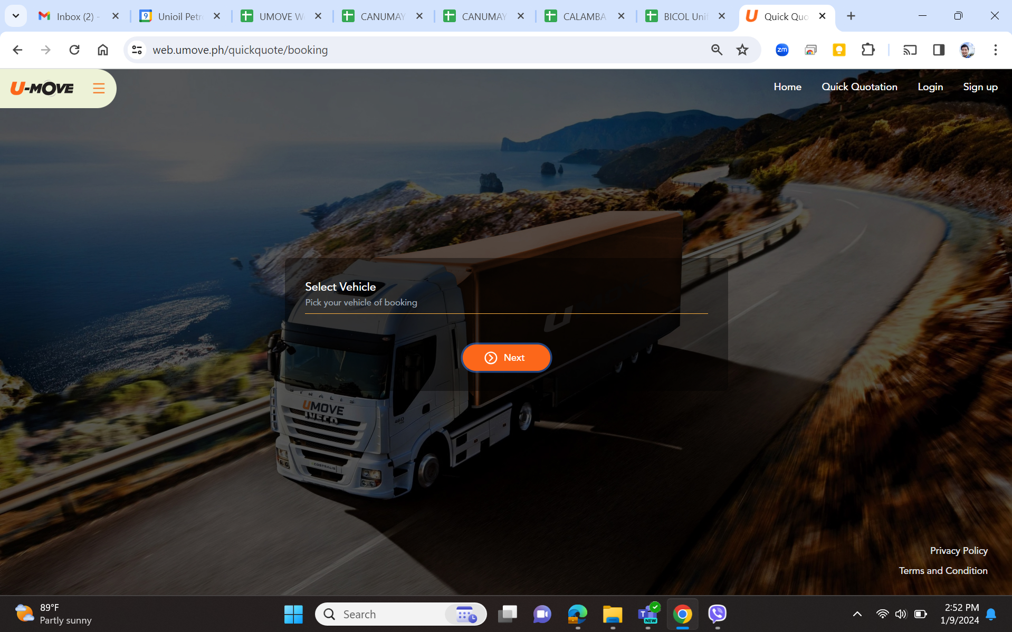 Comment: The zip code and specific address were accepted even though they are wrong/invalid. | FAILED | For Retest | 1. See comment for ID 008.-- retest 2. Move the input field for specific address from currently being on top to below the zip code. 3. The specific address should provide initial recommendations after typing a few texts, and the recommendations should be within the zip code. | 2023-12-28 | FAILED | Still accepted the QQ even if the zip code is wrong. The zip code auto fill will fix this issue. | 2024-02-20
UMW-QQ018 | Check on quick quotation on with invalid address for both delivery and pickup | 1.Site able to load in the browser 2.Homepage>quick quotation>exclusive/shared | 1.go to homepage 2.click quick quotation 3.fill up neccessary informations both on delivery and pickup details | Invalid Address | You will not be able to proceed with invalid adress | See comment for ID 018. | FAILED | For Retest | See remarks for ID 018. |  | FAILED | Still accepted the QQ even if the zip code is wrong. The zip code auto fill will fix this issue. | 2024-02-20
*** NOTHING TO FOLLOW ***

